hierarchy chart.
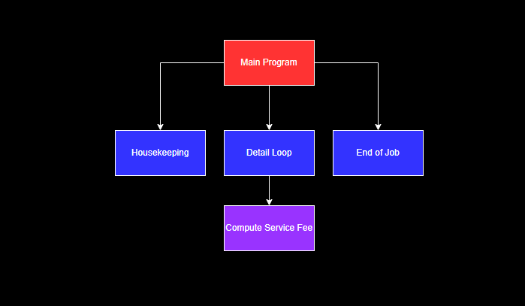

Calculating Service Charges
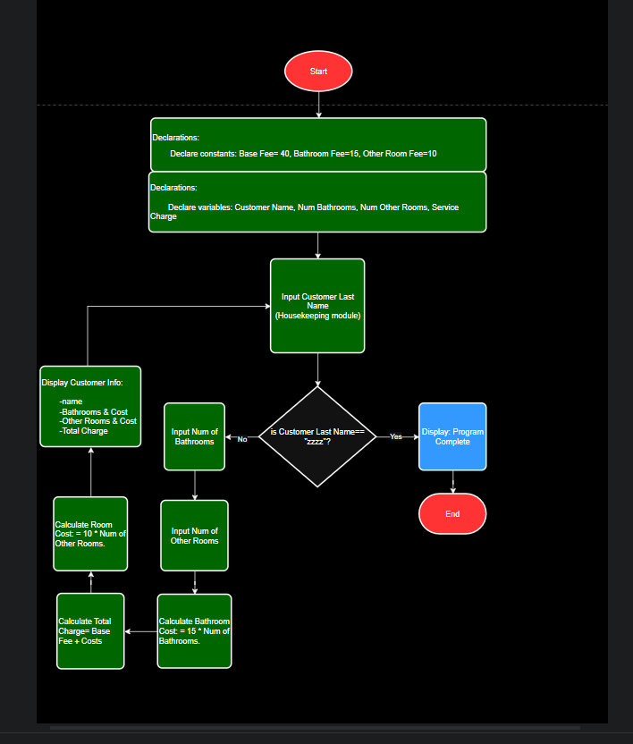
Calculating Hazel's Housecleaning Service Charges.

loop

